STOCK
 |  |  |  |  |  |  |  |  |  |  |  |  | 699 | 0

BRAND | PHOTO | SKU | REFERENCE | ITEM-NAME | COLOR | GENDER | SIZE | STATUS | PLACE OF DELIVERY | UPC | WHOLESALE PRICE | RETAIL PRICE | AVAILABLE QTY | ORDER
Malbon Golf | 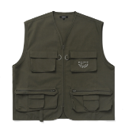 | M-7623-OLV-S | M-7623-OLV | Golf & Tackle Padded Vest | Olive | MEN | S | READY FOR DELIVERY | PANAMA | 840321446602 | $80.00 | $160.00 | 13
Malbon Golf |  | M-7623-OLV-M | M-7623-OLV | Golf & Tackle Padded Vest | Olive | MEN | M | READY FOR DELIVERY | PANAMA | 840321446619 | $80.00 | $160.00 | 14
Malbon Golf |  | M-7623-OLV-L | M-7623-OLV | Golf & Tackle Padded Vest | Olive | MEN | L | READY FOR DELIVERY | PANAMA | 840321446626 | $80.00 | $160.00 | 26
Malbon Golf |  | M-7623-OLV-XL | M-7623-OLV | Golf & Tackle Padded Vest | Olive | MEN | XL | READY FOR DELIVERY | PANAMA | 840321446633 | $80.00 | $160.00 | 14
Malbon Golf |  | M-7623-OLV-XXL | M-7623-OLV | Golf & Tackle Padded Vest | Olive | MEN | XXL | READY FOR DELIVERY | PANAMA | 840321446640 | $80.00 | $160.00 | 4
Malbon Golf | 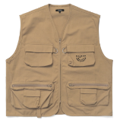 | M-7623-TAN-S | M-7623-TAN | Golf & Tackle Padded Vest | Tan | MEN | S | READY FOR DELIVERY | PANAMA | 840321446756 | $80.00 | $160.00 | 13
Malbon Golf |  | M-7623-TAN-M | M-7623-TAN | Golf & Tackle Padded Vest | Tan | MEN | M | READY FOR DELIVERY | PANAMA | 840321446763 | $80.00 | $160.00 | 14
Malbon Golf |  | M-7623-TAN-L | M-7623-TAN | Golf & Tackle Padded Vest | Tan | MEN | L | READY FOR DELIVERY | PANAMA | 840321446770 | $80.00 | $160.00 | 18
Malbon Golf |  | M-7623-TAN-XL | M-7623-TAN | Golf & Tackle Padded Vest | Tan | MEN | XL | READY FOR DELIVERY | PANAMA | 840321446787 | $80.00 | $160.00 | 19
Malbon Golf |  | M-7623-TAN-XXL | M-7623-TAN | Golf & Tackle Padded Vest | Tan | MEN | XXL | READY FOR DELIVERY | PANAMA | 840321446794 | $80.00 | $160.00 | 7
Malbon Golf | 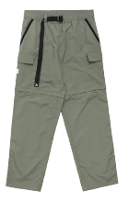 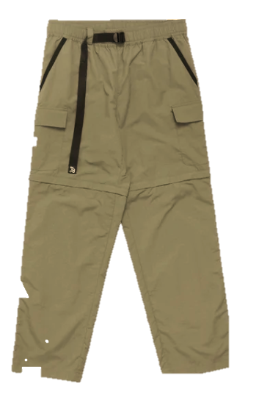 | M-7626-TAN-S | M-7626-TAN | Golf & Tackle Convertible Pant | Tan | MEN | S | READY FOR DELIVERY | PANAMA | 840321447258 | $80.00 | $160.00 | 3
Malbon Golf |  | M-7626-TAN-M | M-7626-TAN | Golf & Tackle Convertible Pant | Tan | MEN | M | READY FOR DELIVERY | PANAMA | 840321447265 | $80.00 | $160.00 | 1
Malbon Golf |  | M-7626-TAN-L | M-7626-TAN | Golf & Tackle Convertible Pant | Tan | MEN | L | READY FOR DELIVERY | PANAMA | 840321447272 | $80.00 | $160.00 | 2
Malbon Golf |  | M-7626-TAN-XXL | M-7626-TAN | Golf & Tackle Convertible Pant | Tan | MEN | XXL | READY FOR DELIVERY | PANAMA | 840321447296 | $80.00 | $160.00 | 1
Malbon Golf | 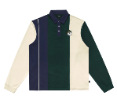 | M-7684-FRS-S | M-7684-FRS | Wiz Longsleeve Polo | FOREST GREEN | MEN | S | READY FOR DELIVERY | PANAMA | 840321440846 | $69.00 | $138.00 | 2
Malbon Golf |  | M-7684-FRS-M | M-7684-FRS | Wiz Longsleeve Polo | FOREST GREEN | MEN | M | READY FOR DELIVERY | PANAMA | 840321440853 | $69.00 | $138.00 | 9
Malbon Golf |  | M-7684-FRS-L | M-7684-FRS | Wiz Longsleeve Polo | FOREST GREEN | MEN | L | READY FOR DELIVERY | PANAMA | 840321440860 | $69.00 | $138.00 | 9
Malbon Golf |  | M-7684-FRS-XL | M-7684-FRS | Wiz Longsleeve Polo | FOREST GREEN | MEN | XL | READY FOR DELIVERY | PANAMA | 840321440877 | $69.00 | $138.00 | 11
Malbon Golf |  | M-7684-FRS-XXL | M-7684-FRS | Wiz Longsleeve Polo | FOREST GREEN | MEN | XXL | READY FOR DELIVERY | PANAMA | 840321440884 | $69.00 | $138.00 | 8
Malbon Golf | 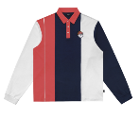 | M-7684-NVY-S | M-7684-NVY | Wiz Longsleeve Polo | Navy | MEN | S | READY FOR DELIVERY | PANAMA | 840321440891 | $69.00 | $138.00 | 6
Malbon Golf |  | M-7684-NVY-M | M-7684-NVY | Wiz Longsleeve Polo | Navy | MEN | M | READY FOR DELIVERY | PANAMA | 840321440907 | $69.00 | $138.00 | 8
Malbon Golf |  | M-7684-NVY-L | M-7684-NVY | Wiz Longsleeve Polo | Navy | MEN | L | READY FOR DELIVERY | PANAMA | 840321440914 | $69.00 | $138.00 | 16
Malbon Golf |  | M-7684-NVY-XL | M-7684-NVY | Wiz Longsleeve Polo | Navy | MEN | XL | READY FOR DELIVERY | PANAMA | 840321440921 | $69.00 | $138.00 | 14
Malbon Golf |  | M-7684-NVY-XXL | M-7684-NVY | Wiz Longsleeve Polo | Navy | MEN | XXL | READY FOR DELIVERY | PANAMA | 840321440938 | $69.00 | $138.00 | 7
Malbon Golf |  | M-7685-FRS-S | M-7685-FRS | Wiz Knit Sweater | FOREST GREEN | MEN | S | READY FOR DELIVERY | PANAMA | 840321441041 | $90.00 | $180.00 | 6
Malbon Golf | 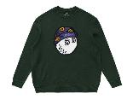 | M-7685-FRS-XXL | M-7685-FRS | Wiz Knit Sweater | FOREST GREEN | MEN | XXL | READY FOR DELIVERY | PANAMA | 840321441089 | $90.00 | $180.00 | 8
Malbon Golf | 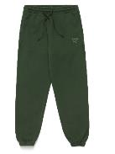 | M-7690-FRS-S | M-7690-FRS | Wiz Sweatpants | FOREST GREEN | MEN | S | READY FOR DELIVERY | PANAMA | 840321441942 | $65.00 | $130.00 | 8
Malbon Golf |  | M-7690-FRS-M | M-7690-FRS | Wiz Sweatpants | FOREST GREEN | MEN | M | READY FOR DELIVERY | PANAMA | 840321441959 | $65.00 | $130.00 | 6
Malbon Golf |  | M-7690-FRS-L | M-7690-FRS | Wiz Sweatpants | FOREST GREEN | MEN | L | READY FOR DELIVERY | PANAMA | 840321441966 | $65.00 | $130.00 | 6
Malbon Golf |  | M-7690-FRS-XL | M-7690-FRS | Wiz Sweatpants | FOREST GREEN | MEN | XL | READY FOR DELIVERY | PANAMA | 840321441973 | $65.00 | $130.00 | 8
Malbon Golf |  | M-7690-FRS-XXL | M-7690-FRS | Wiz Sweatpants | FOREST GREEN | MEN | XXL | READY FOR DELIVERY | PANAMA | 840321441980 | $65.00 | $130.00 | 7
Malbon Golf | 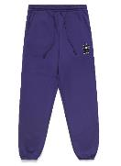 | M-7690-NVY-S | M-7690-NVY | Wiz Sweatpants | Navy | MEN | S | READY FOR DELIVERY | PANAMA | 840321441997 | $65.00 | $130.00 | 8
Malbon Golf |  | M-7690-NVY-M | M-7690-NVY | Wiz Sweatpants | Navy | MEN | M | READY FOR DELIVERY | PANAMA | 840321442000 | $65.00 | $130.00 | 5
Malbon Golf |  | M-7690-NVY-L | M-7690-NVY | Wiz Sweatpants | Navy | MEN | L | READY FOR DELIVERY | PANAMA | 840321442017 | $65.00 | $130.00 | 8
Malbon Golf |  | M-7690-NVY-XL | M-7690-NVY | Wiz Sweatpants | Navy | MEN | XL | READY FOR DELIVERY | PANAMA | 840321442024 | $65.00 | $130.00 | 10
Malbon Golf |  | M-7690-NVY-XXL | M-7690-NVY | Wiz Sweatpants | Navy | MEN | XXL | READY FOR DELIVERY | PANAMA | 840321442031 | $65.00 | $130.00 | 8
Malbon Golf | 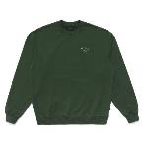 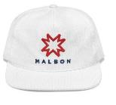 | M-7826-FGR-S | M-7826-FGR | Golf & Ski Crewneck | FOREST GREEN | MEN | S | READY FOR DELIVERY | PANAMA | 840321442949 | $65.00 | $130.00 | 2
Malbon Golf |  | M-7826-FGR-M | M-7826-FGR | Golf & Ski Crewneck | FOREST GREEN | MEN | M | READY FOR DELIVERY | PANAMA | 840321442956 | $65.00 | $130.00 | 17
Malbon Golf |  | M-7826-FGR-L | M-7826-FGR | Golf & Ski Crewneck | FOREST GREEN | MEN | L | READY FOR DELIVERY | PANAMA | 840321442963 | $65.00 | $130.00 | 26
Malbon Golf |  | M-7826-FGR-XL | M-7826-FGR | Golf & Ski Crewneck | FOREST GREEN | MEN | XL | READY FOR DELIVERY | PANAMA | 840321442970 | $65.00 | $130.00 | 11
Malbon Golf |  | M-7826-FGR-XXL | M-7826-FGR | Golf & Ski Crewneck | FOREST GREEN | MEN | XXL | READY FOR DELIVERY | PANAMA | 840321442987 | $65.00 | $130.00 | 4
Malbon Golf | 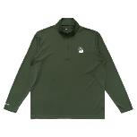 | M-7830-FGR-S | M-7830-FGR | Golf & Ski Quarter Zip | FOREST GREEN | MEN | S | READY FOR DELIVERY | PANAMA | 840321443748 | $75.00 | $150.00 | 9
Malbon Golf |  | M-7830-FGR-M | M-7830-FGR | Golf & Ski Quarter Zip | FOREST GREEN | MEN | M | READY FOR DELIVERY | PANAMA | 840321443755 | $75.00 | $150.00 | 3
Malbon Golf |  | M-7830-FGR-XXL | M-7830-FGR | Golf & Ski Quarter Zip | FOREST GREEN | MEN | XXL | READY FOR DELIVERY | PANAMA | 840321443786 | $75.00 | $150.00 | 12
Malbon Golf |  | M-7833-FGR-S | M-7833-FGR | Golf & Ski Sweatpants | FOREST GREEN | MEN | S | READY FOR DELIVERY | PANAMA | 840321444141 | $65.00 | $130.00 | 7
Malbon Golf |  | M-7833-FGR-M | M-7833-FGR | Golf & Ski Sweatpants | FOREST GREEN | MEN | M | READY FOR DELIVERY | PANAMA | 840321444158 | $65.00 | $130.00 | 10
Malbon Golf |  | M-7833-FGR-L | M-7833-FGR | Golf & Ski Sweatpants | FOREST GREEN | MEN | L | READY FOR DELIVERY | PANAMA | 840321444165 | $65.00 | $130.00 | 8
Malbon Golf |  | M-7833-FGR-XL | M-7833-FGR | Golf & Ski Sweatpants | FOREST GREEN | MEN | XL | READY FOR DELIVERY | PANAMA | 840321444172 | $65.00 | $130.00 | 7
Malbon Golf |  | M-7833-FGR-XXL | M-7833-FGR | Golf & Ski Sweatpants | FOREST GREEN | MEN | XXL | READY FOR DELIVERY | PANAMA | 840321444189 | $65.00 | $130.00 | 7
Malbon Golf | 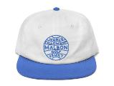 | M-8223-WHT-BLU-OS | M-8223-WHT-BLU | World Fellowship Painter's Hat | WHITE / FRENCH BLUE | MEN | OS | READY FOR DELIVERY | PANAMA | 840321458674 | $22.00 | $44.00 | 19
Malbon Golf | 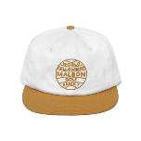 | M-8223-WHT-GLD-OS | M-8223-WHT-GLD | World Fellowship Painter's Hat | WHITE/GOLD | MEN | OS | READY FOR DELIVERY | PANAMA | 840321458681 | $22.00 | $44.00 | 67
Malbon Golf | 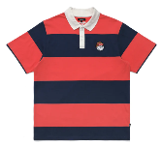 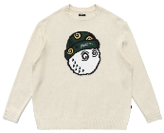 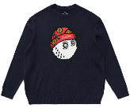 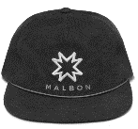 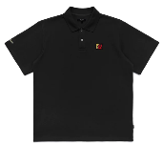 | M-7824-BLK-L | M-7824-BLK | Golf & Ski Polo | BLACK | MEN | L | READY FOR DELIVERY | PANAMA | TBD | $55.00 | $110.00 | 15
Malbon Golf | 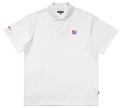 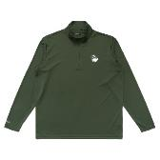 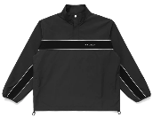 | M-7946-BLK-L | M-7946-BLK | Bermuda Popover Jacket | BLACK | MEN | L | READY FOR DELIVERY | PANAMA | TBD | $87.50 | $175.00 | 4
Malbon Golf |  | M-7946-BLK-XL | M-7946-BLK | Bermuda Popover Jacket | BLACK | MEN | XL | READY FOR DELIVERY | PANAMA | TBD | $87.50 | $175.00 | 15
Malbon Golf | 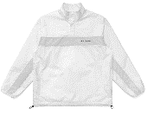 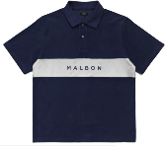 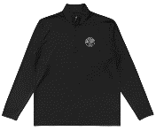 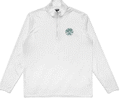 | M-7970-WHT-XL | M-7970-WHT | World fellowship P | WHITE | MEN | XL | READY FOR DELIVERY | PANAMA | TBD | $54.00 | $108.00 | 6
Malbon Golf |  | M-7824-BLK-L | M-7824-BLK | Golf & Ski Polo | BLACK | MEN | L | READY FOR DELIVERY | MIAMI | TBD | $55.00 | $110.00 | 1
Malbon Golf |  | M-7824-FGR-M | M-7824-FGR | Golf & Ski Polo | FOREST GREEN | MEN | M | READY FOR DELIVERY | MIAMI | TBD | $55.00 | $110.00 | 4
Malbon Golf |  | M-7824-WHT-M | M-7824-WHT | Golf & Ski Polo | WHITE | MEN | M | READY FOR DELIVERY | MIAMI | TBD | $55.00 | $110.00 | 7
Malbon Golf |  | M-7830-BLK-S | M-7830-BLK | Golf & Ski Quarter Zip | BLACK | MEN | S | READY FOR DELIVERY | MIAMI | TBD | $54.08 | $108.16 | 1
Malbon Golf |  | M-7830-FGR-M | M-7830-FGR | Golf & Ski Quarter Zip | FOREST GREEN | MEN | M | READY FOR DELIVERY | MIAMI | 840321443755 | $75.00 | $150.00 | 2
Malbon Golf |  | M-7830-WHT-XL | M-7830-WHT | Golf & Ski Quarter Zip | WHITE | MEN | XL | READY FOR DELIVERY | MIAMI | TBD | $54.08 | $108.16 | 1
Malbon Golf |  | M-7946-WHT-L | M-7946-WHT | Bermuda Popover Jacket | WHITE | MEN | L | READY FOR DELIVERY | MIAMI | TBD | $87.50 | $175.00 | 1
Malbon Golf |  | M-7946-WHT-M | M-7946-WHT | Bermuda Popover Jacket | WHITE | MEN | M | READY FOR DELIVERY | MIAMI | TBD | $87.50 | $175.00 | 2
Malbon Golf |  | M-7946-WHT-XL | M-7946-WHT | Bermuda Popover Jacket | WHITE | MEN | XL | READY FOR DELIVERY | MIAMI | TBD | $87.50 | $175.00 | 12
Malbon Golf |  | M-7683-NVY-CRL-XL | M-7683-NVY-CRL | Wiz Striped Polo | Navy/Coral | MEN | XL | READY FOR DELIVERY | MIAMI | TBD | $55.00 | $110.00 | 1
Malbon Golf |  | M-7824-FGR-S | M-7824-FGR | Golf & Ski Polo | FOREST GREEN | MEN | S | READY FOR DELIVERY | MIAMI | TBD | $55.00 | $110.00 | 2
Malbon Golf |  | M-7824-WHT-L | M-7824-WHT | Golf & Ski Polo | WHITE | MEN | L | READY FOR DELIVERY | MIAMI | TBD | $55.00 | $110.00 | 2
Malbon Golf |  | M-7824-WHT-S | M-7824-WHT | Golf & Ski Polo | WHITE | MEN | S | READY FOR DELIVERY | MIAMI | TBD | $55.00 | $110.00 | 2
Malbon Golf |  | M-7824-WHT-XL | M-7824-WHT | Golf & Ski Polo | WHITE | MEN | XL | READY FOR DELIVERY | MIAMI | TBD | $55.00 | $110.00 | 6
Malbon Golf |  | M-7830-BLK-L | M-7830-BLK | Golf & Ski Quarter Zip | BLACK | MEN | L | READY FOR DELIVERY | MIAMI | TBD | $54.08 | $108.16 | 2
Malbon Golf |  | M-7830-WHT-L | M-7830-WHT | Golf & Ski Quarter Zip | WHITE | MEN | L | READY FOR DELIVERY | MIAMI | TBD | $54.08 | $108.16 | 2
Malbon Golf |  | M-7946-BLK-S | M-7946-BLK | Bermuda Popover Jacket | BLACK | MEN | S | READY FOR DELIVERY | MIAMI | TBD | $87.50 | $175.00 | 1
Malbon Golf |  | M-7946-WHT-S | M-7946-WHT | Bermuda Popover Jacket | WHITE | MEN | S | READY FOR DELIVERY | MIAMI | TBD | $87.50 | $175.00 | 1
Malbon Golf |  | M-7947-GRS-S | M-7947-GRS | Clearwater Terry Polo | Grass | MEN | S | READY FOR DELIVERY | MIAMI | TBD | $54.00 | $108.00 | 1
Malbon Golf |  | M-7947-NVY-S | M-7947-NVY | Clearwater Terry Polo | Navy | MEN | S | READY FOR DELIVERY | MIAMI | TBD | $54.00 | $108.00 | 2
Malbon Golf |  | M-8213-BLK-OS | M-8213-BLK | BERMUDA 5 PANEL CAP | BLACK | MEN | OS | READY FOR DELIVERY | MIAMI | TBD | $22.00 | $44.00 | 2
Malbon Golf |  | M-8213-BLU-OS | M-8213-BLU | BERMUDA 5 PANEL CAP | Slate Blue | MEN | OS | READY FOR DELIVERY | MIAMI | TBD | $22.00 | $44.00 | 2
Malbon Golf |  | M-8213-WHT-OS | M-8213-WHT | BERMUDA 5 PANEL CAP | WHITE | MEN | OS | READY FOR DELIVERY | MIAMI | TBD | $22.00 | $44.00 | 1
Malbon Golf |  | M-7685-FRS-L | M-7685-FRS | Wiz Knit Sweater | FOREST GREEN | MEN | L | READY FOR DELIVERY | MIAMI | 840321441065 | $90.00 | $180.00 | 2
Malbon Golf |  | M-7824-BLK-M | M-7824-BLK | Golf & Ski Polo | BLACK | MEN | M | READY FOR DELIVERY | MIAMI | TBD | $55.00 | $110.00 | 17
Malbon Golf |  | M-7824-BLK-S | M-7824-BLK | Golf & Ski Polo | BLACK | MEN | S | READY FOR DELIVERY | MIAMI | TBD | $55.00 | $110.00 | 2
Malbon Golf |  | M-7824-FGR-L | M-7824-FGR | Golf & Ski Polo | FOREST GREEN | MEN | L | READY FOR DELIVERY | MIAMI | TBD | $55.00 | $110.00 | 4
Malbon Golf |  | M-7824-FGR-XL | M-7824-FGR | Golf & Ski Polo | FOREST GREEN | MEN | XL | READY FOR DELIVERY | MIAMI | TBD | $55.00 | $110.00 | 2
Malbon Golf |  | M-7830-BLK-XL | M-7830-BLK | Golf & Ski Quarter Zip | BLACK | MEN | XL | READY FOR DELIVERY | MIAMI | TBD | $54.08 | $108.16 | 1
Malbon Golf |  | M-7830-FGR-S | M-7830-FGR | Golf & Ski Quarter Zip | FOREST GREEN | MEN | S | READY FOR DELIVERY | MIAMI | 840321443748 | $75.00 | $150.00 | 1
Malbon Golf |  | M-7830-FGR-XL | M-7830-FGR | Golf & Ski Quarter Zip | FOREST GREEN | MEN | XL | READY FOR DELIVERY | MIAMI | 840321443779 | $75.00 | $150.00 | 1
Malbon Golf |  | M-7685-CLD-CRM-L | M-7685-CLD-CRM | Wiz Knit Sweater | MEN | MEN | L | READY FOR DELIVERY | MIAMI | TBD | $90.00 | $180.00 | 2
Malbon Golf |  | M-7685-NVY-L | M-7685-NVY | Wiz Knit Sweater | Navy | MEN | L | READY FOR DELIVERY | MIAMI | TBD | $90.00 | $180.00 | 2
Malbon Golf |  | M-7830-BLK-M | M-7830-BLK | Golf & Ski Quarter Zip | BLACK | MEN | M | READY FOR DELIVERY | MIAMI | TBD | $54.08 | $108.16 | 2
Malbon Golf |  | M-7830-WHT-M | M-7830-WHT | Golf & Ski Quarter Zip | WHITE | MEN | M | READY FOR DELIVERY | MIAMI | TBD | $54.08 | $108.16 | 2
Malbon Golf |  | M-7830-WHT-S | M-7830-WHT | Golf & Ski Quarter Zip | WHITE | MEN | S | READY FOR DELIVERY | MIAMI | TBD | $54.08 | $108.16 | 1
Malbon Golf |  | M-8774-NVY-S/M | M-8774-NVY | RONIN BUCKET HAT | Navy | MEN | S/M | READY FOR DELIVERY | MIAMI | TBD | $23.00 | $46.00 | 8
Malbon Golf |  | M-8774-NVY-L/XL | M-8774-NVY | RONIN BUCKET HAT | Navy | MEN | L/XL | READY FOR DELIVERY | MIAMI | TBD | $23.00 | $46.00 | 8
Malbon Golf |  | M-8776-NVY -OS | M-8776-NVY | POM KNIT WOOD COVER | Navy | MEN | OS | READY FOR DELIVERY | MIAMI | TBD | $42.50 | $85.00 | 10

